Sheet1
Business Size Calculator

Business Trading Position |  |  |  |  | Instructions
 | Current |  | Required
 | % | $ | % | $
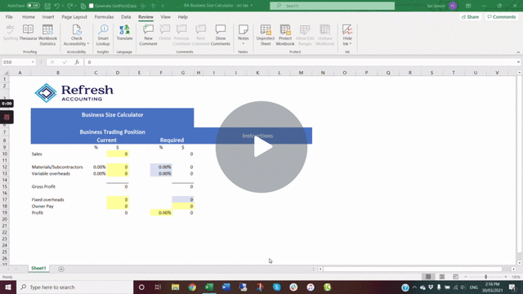
Sales |  | 0 |  | 0

Materials/Subcontractors | 0.00% | 0 | 0.00% | 0
Variable overheads | 0.00% | 0 | 0.00% | 0

Gross Profit |  | 0 |  | 0

Fixed overheads |  | 0 |  | 0
Owner Pay |  | 0 |  | 0
Profit |  | 0 | 0.00% | 0

 |  |  |  |  | Click here | if the video doesn't play

