Lifestyle costs
Lifestyle Cost Calculator

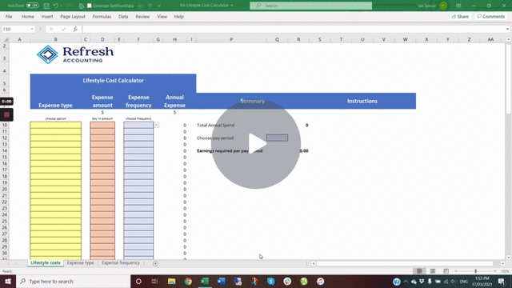
Expense type | Expense amount | Expense frequency | Annual Expense | Summary |  |  | Instructions
 | $ |  | $
choose option | key in amount | choose frequency
 |  |  | 0 | Total Annual Spend |  | 0
 |  |  | 0
 |  |  | 0 | Choose pay period | Week
 |  |  | 0
 |  |  | 0 | Earnings required per pay period |  | 0.00
 |  |  | 0
 |  |  | 0
 |  |  | 0
 |  |  | 0
 |  |  | 0
 |  |  | 0 |  |  |  |  | Click here | if the video doesn't play
 |  |  | 0
 |  |  | 0
 |  |  | 0
 |  |  | 0
 |  |  | 0
 |  |  | 0
 |  |  | 0
 |  |  | 0
 |  |  | 0
 |  |  | 0
 |  |  | 0
 |  |  | 0
 |  |  | 0
 |  |  | 0
 |  |  | 0
 |  |  | 0
 |  |  | 0
 |  |  | 0
 |  |  | 0
 |  |  | 0
 |  |  | 0
 |  |  | 0
 |  |  | 0
 |  |  | 0
 |  |  | 0
 |  |  | 0
 |  |  | 0
 |  |  | 0
 |  |  | 0
 |  |  | 0
 |  |  | 0
 |  |  | 0
 |  |  | 0
 |  |  | 0
 |  |  | 0
 |  |  | 0
 |  |  | 0
 |  |  | 0
 |  |  | 0
 |  |  | 0
 |  |  | 0
 |  |  | 0
 |  |  | 0
 |  |  | 0
 |  |  | 0
 |  |  | 0
 |  |  | 0
 |  |  | 0
 |  |  | 0
 |  |  | 0
 |  |  | 0
 |  |  | 0
 |  |  | 0
 |  |  | 0
 |  |  | 0
 |  |  | 0
 |  |  | 0
 |  |  | 0
 |  |  | 0
 |  |  | 0
 |  |  | 0
 |  |  | 0
 |  |  | 0
 |  |  | 0
 |  |  | 0
 |  |  | 0
 |  |  | 0
 |  |  | 0
 |  |  | 0
 |  |  | 0
 |  |  | 0
 |  |  | 0
 |  |  | 0
 |  |  | 0
 |  |  | 0
 |  |  | 0
 |  |  | 0
 |  |  | 0
 |  |  | 0
 |  |  | 0

